Flight details
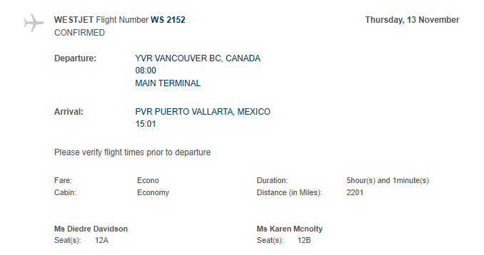
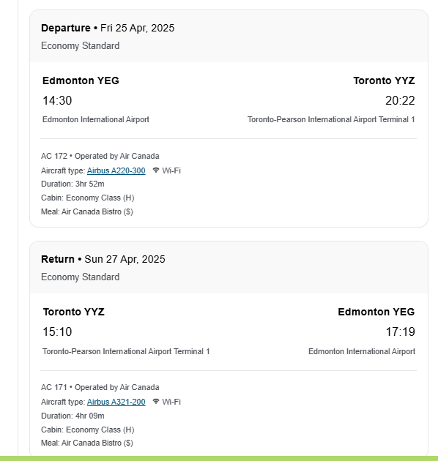
Reservation details Airnorth
Wednesday September 24, 2025 › Flight 4N573 - Whitehorse to Vancouver

Departs 4:30PM › Arrives 6:45PM › Stops 0 › Boeing 737

DIEDRE DAVIDSON

Seat 10A

